Instructions
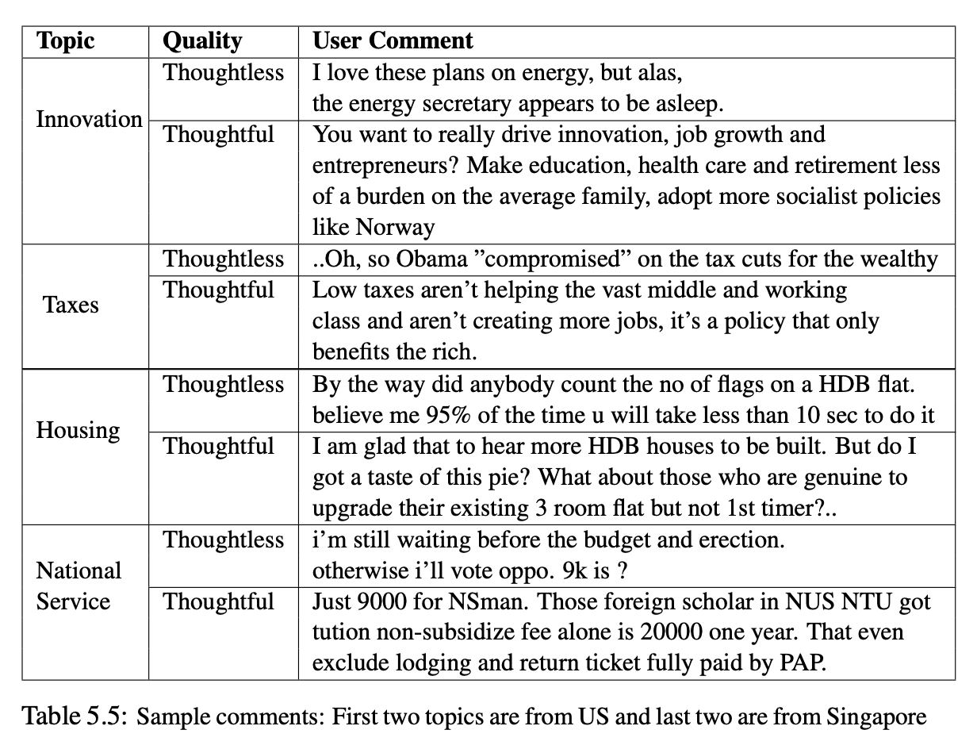
README: Formally, a thoughtful comment is relevant to the target document and has a justification or an argument to the issue(s) in the target document [120] Presumably, a thoughtful comment should be logically well organized and coherent

